Sheet1
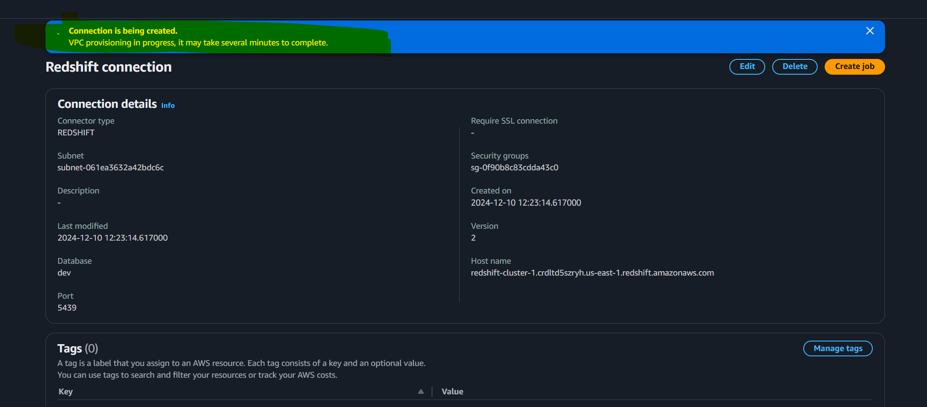
AWS GLUE LAB

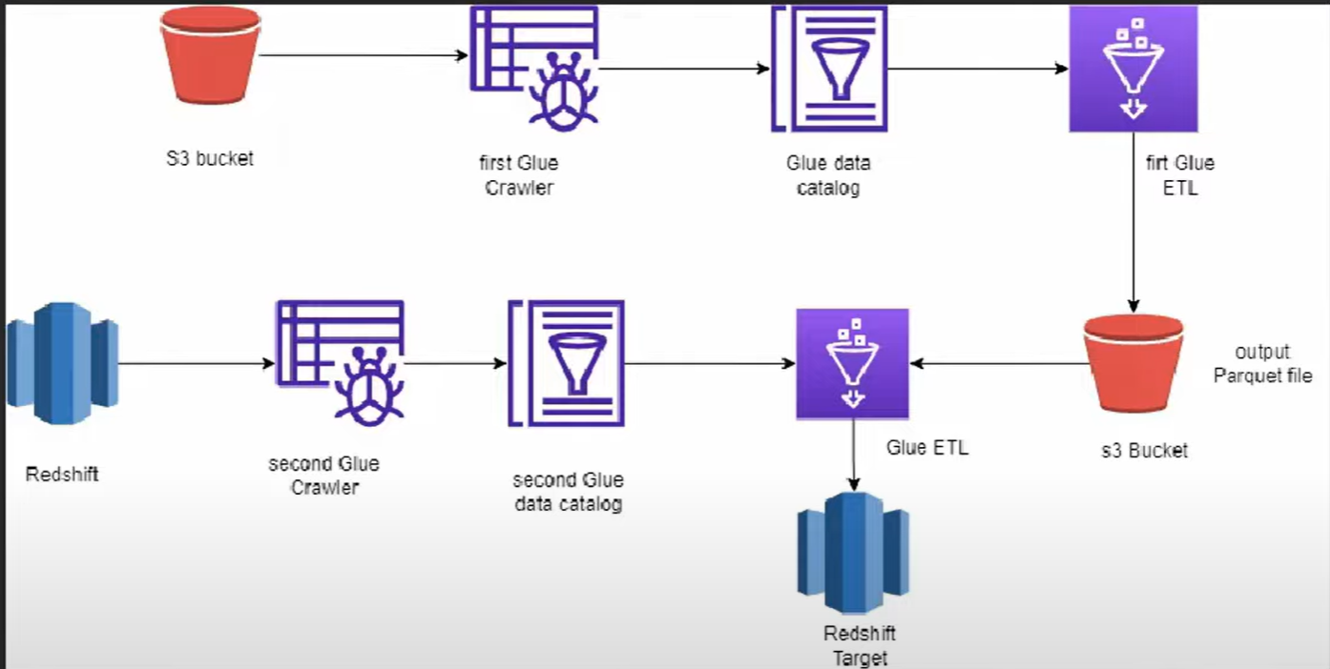
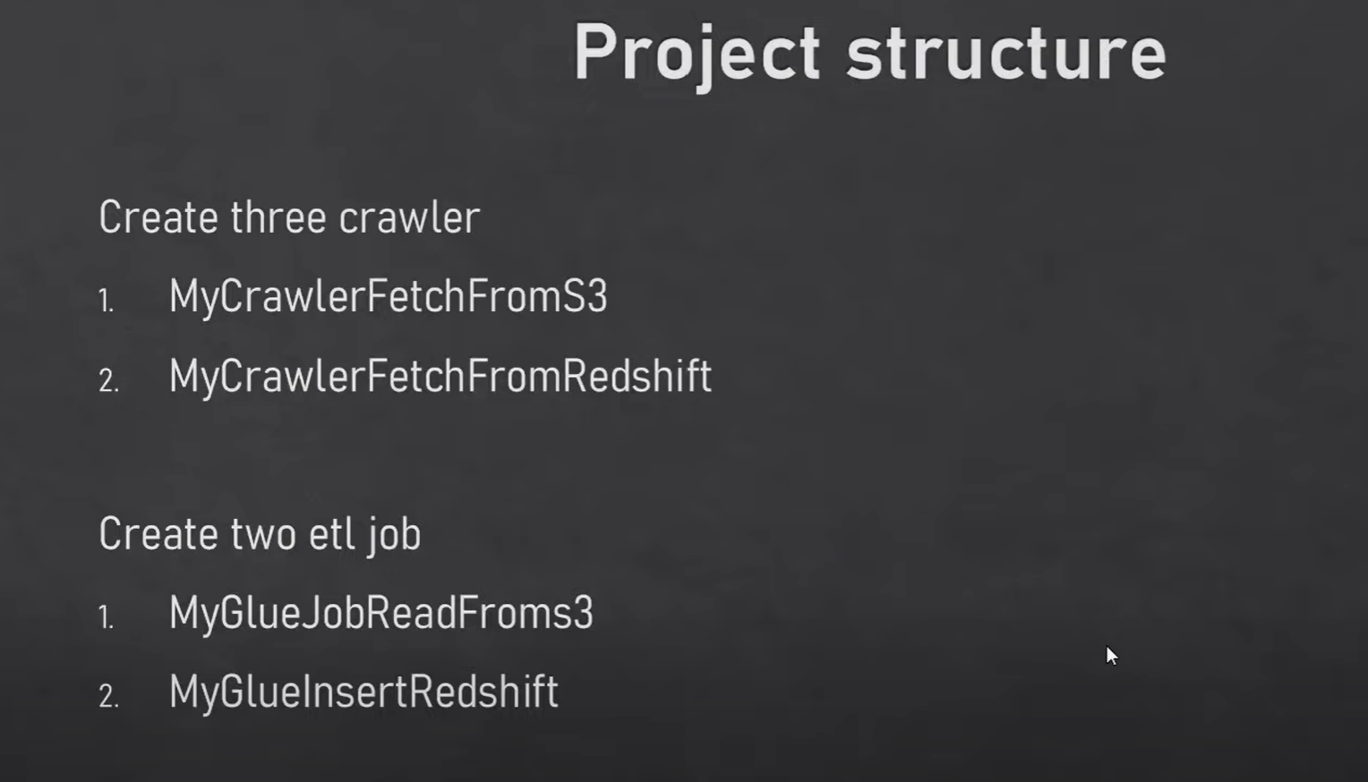

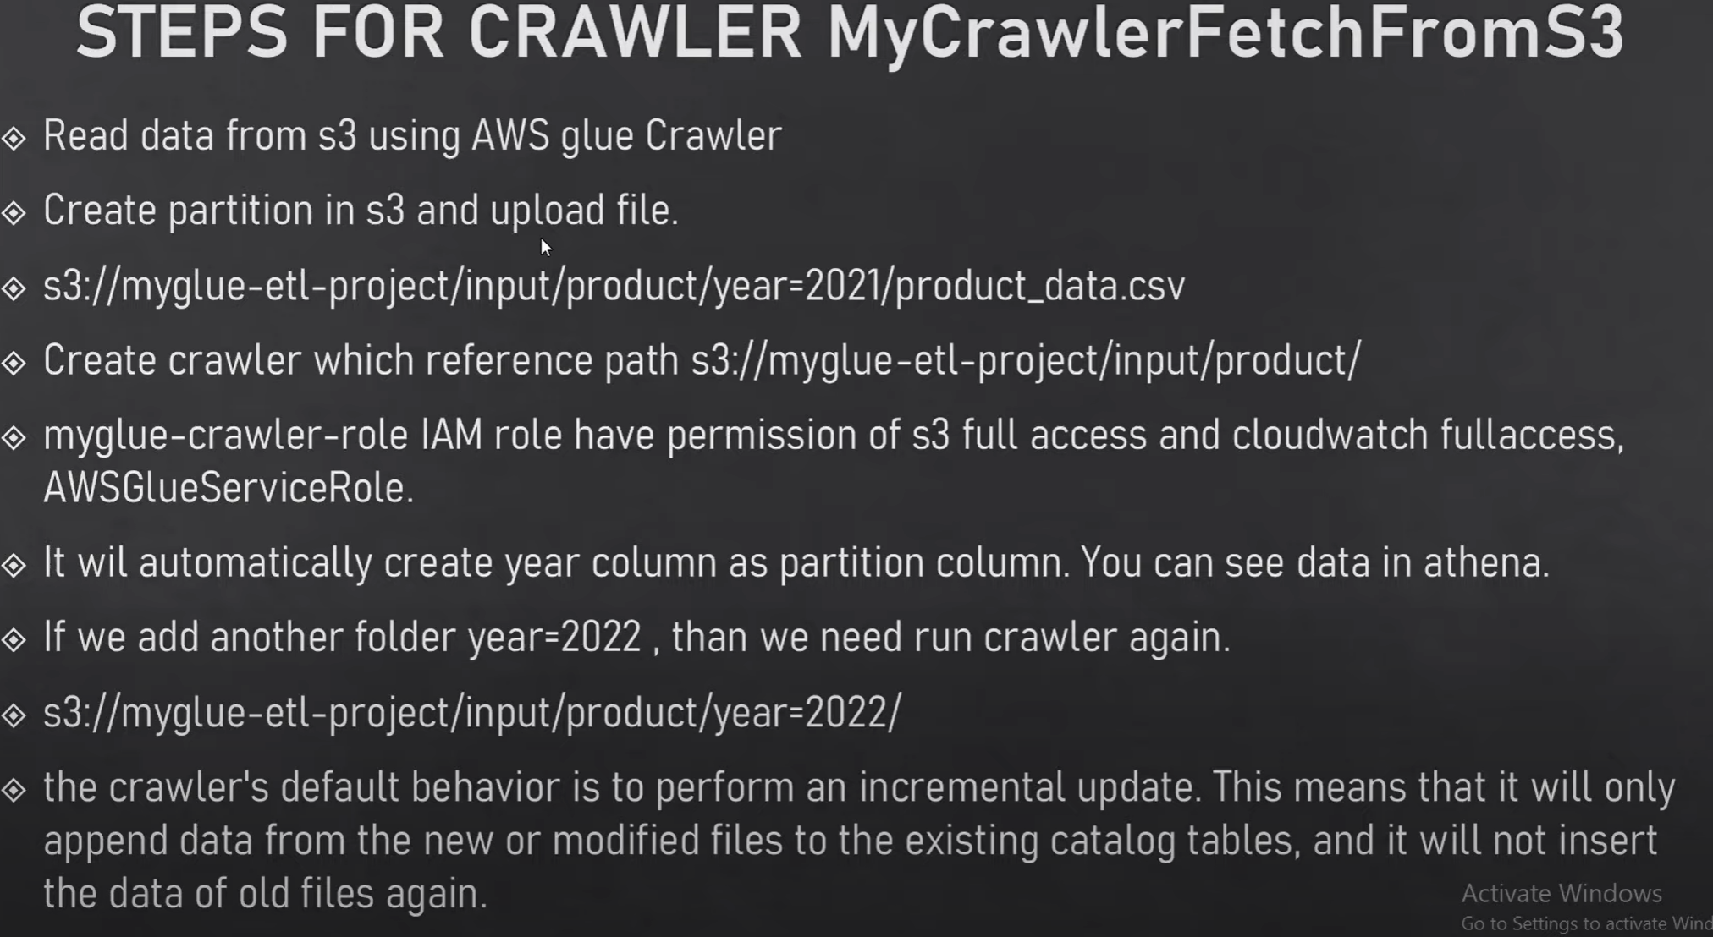
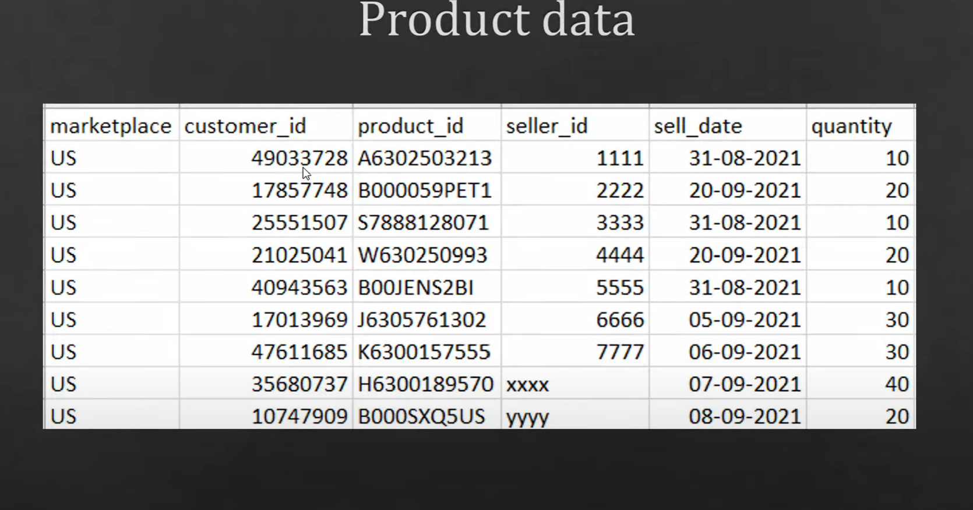

 | UPLOAD FILE IN S3 BUCKET
 | CREATE DATABASE WITH TABLE NAME AS PARTITION TABLE ANME IN S3
 | CREATE CRAWLER
 | RUN THE CCRAWLER
 | SEE THE DATA IN AWS ATHENA

 | glue have self library
 | glue context --> starting point of glue job
 | with the help of glue context, we can create dynamic frame from catelog or it can be anything

 | filter
 | groupBy
 | Mapping
 | casting

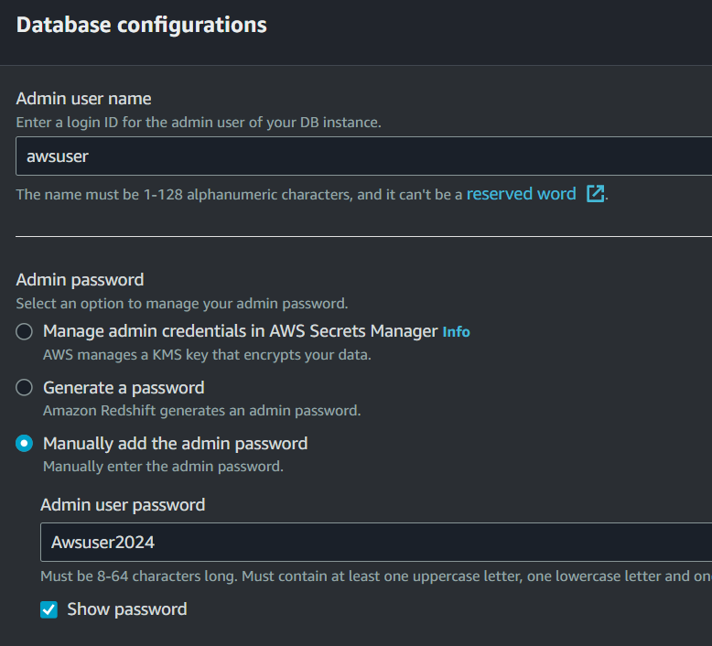

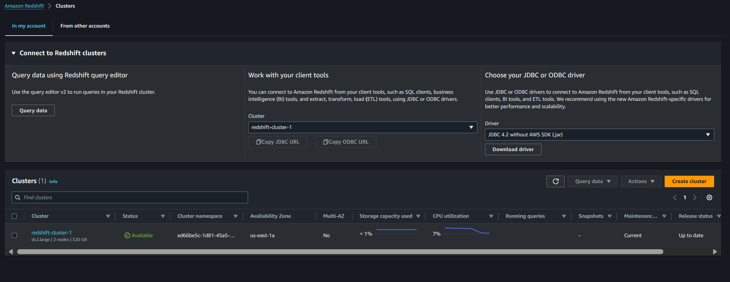
 |  |  |  | RED SHIFT CLUSTER
 |  |  |  | RED SHIFT CLUSTER
 |  |  |  | RED SHIFT CLUSTER
 |  |  |  | RED SHIFT CLUSTER
 |  |  |  | RED SHIFT CLUSTER
 |  |  |  | RED SHIFT CLUSTER
 |  |  |  | RED SHIFT CLUSTER
 |  |  |  | RED SHIFT CLUSTER
 |  |  |  | RED SHIFT CLUSTER
 |  |  |  | RED SHIFT CLUSTER
 |  |  |  | RED SHIFT CLUSTER
 |  |  |  | RED SHIFT CLUSTER
 |  |  |  | RED SHIFT CLUSTER
 |  |  |  | RED SHIFT CLUSTER
 |  |  |  | RED SHIFT CLUSTER
 |  |  |  | RED SHIFT CLUSTER
 |  |  |  | RED SHIFT CLUSTER
 |  |  |  | RED SHIFT CLUSTER
 |  |  |  | RED SHIFT CLUSTER
 |  |  |  | RED SHIFT CLUSTER
 |  |  |  | RED SHIFT CLUSTER
 |  |  |  | RED SHIFT CLUSTER
 |  |  |  | RED SHIFT CLUSTER
 |  |  |  | RED SHIFT CLUSTER
 |  |  |  | RED SHIFT CLUSTER
 |  |  |  | RED SHIFT CLUSTER
 |  |  |  | RED SHIFT CLUSTER
 |  |  |  | RED SHIFT CLUSTER
 |  |  |  | RED SHIFT CLUSTER
 |  |  |  | RED SHIFT CLUSTER
 |  |  |  | RED SHIFT CLUSTER
 |  |  |  | RED SHIFT CLUSTER
 |  |  |  | RED SHIFT CLUSTER
 |  |  |  | RED SHIFT CLUSTER
 |  |  |  | RED SHIFT CLUSTER
 |  |  |  | RED SHIFT CLUSTER
 |  |  |  | RED SHIFT CLUSTER

Awsuser2024
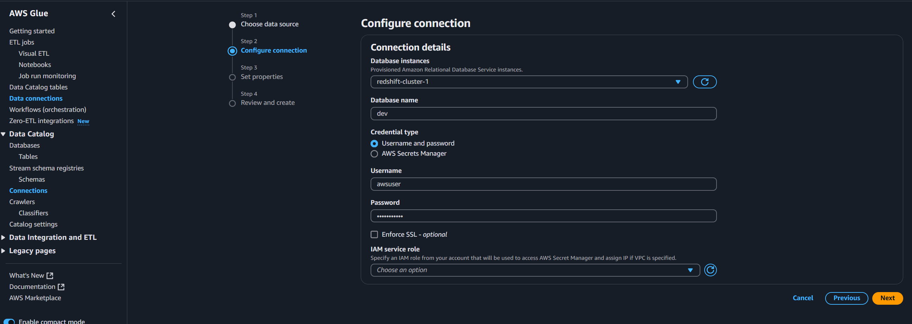

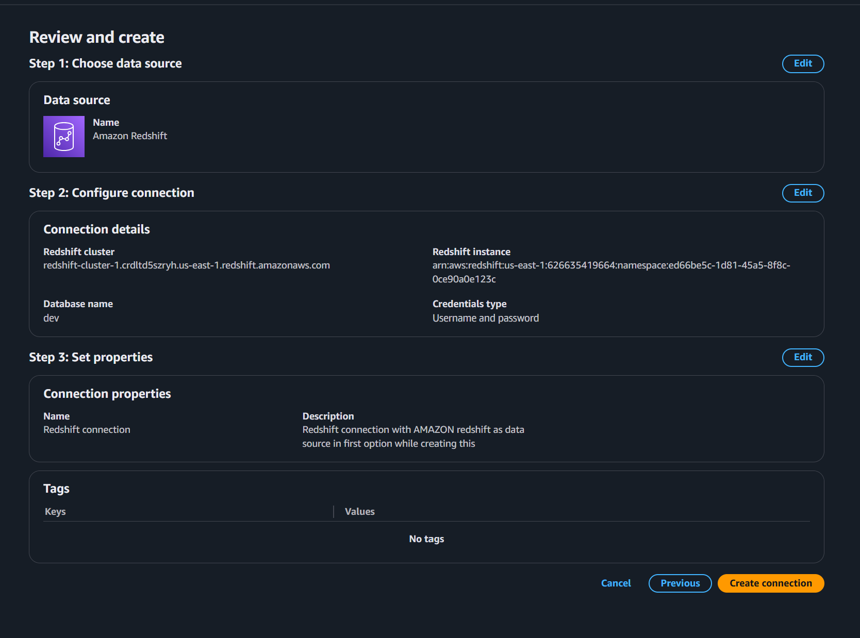

some erro will be there like

 |  |  | debugging this
 |  |  | 1. useename updated

 |  | useename updated

deleted and creating another connection as pw error

